Instructions
RFI Worksheet Instructions
This page provides an overview of th RFI / Bidder Inquiry Worksheet and introduces the workflow for each region.

1. Overview of the RFI / Bidder Inquiry Worksheet Layout

 | The worksheet has four regions of information:

 |  | 1. The header region (Region 1) contains the project title, date the report was initially created, as well as project POCs
 |  | located along the left-hand-side of the region.

 |  | 2. RFIs are imported from the ProjNet Bidder Inquiry model into the Region 2.

 |  | 3. In Region 3 captures the initial AE & Tech Lead coordination of RFIs

 |  | 4. Region 4 captures the review comments from Tech Services, Contracting, Office of Counsel. The final column
 |  | in this region captures the lessons learned.

2. Reviewing RFI / Bidder Inquires (Region 2)

 | RFIs from the ProjNet Bidder Inquiry module are imported to the second region (left-most region of the table).

 | By default, many of the reference details are in columns that are collapsed. In order to see the details, simply click the
 | plus button near the top of the table to expand. You call press the minus button to collapse columns C - F.
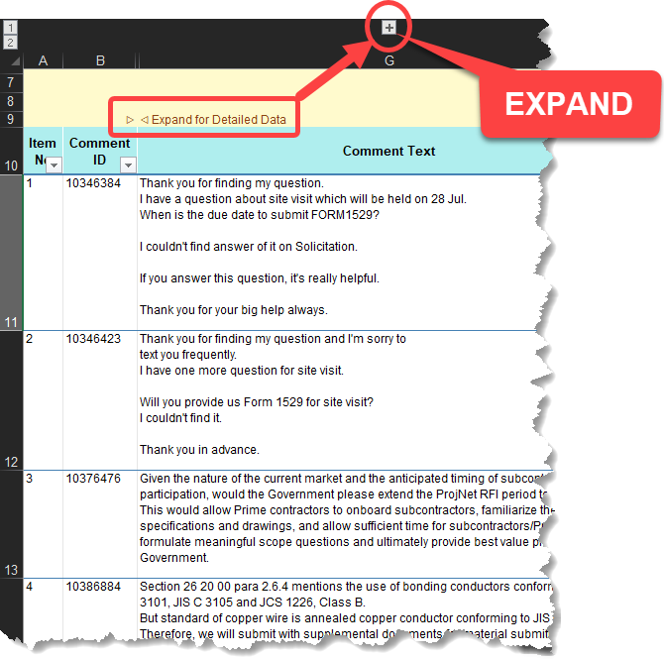
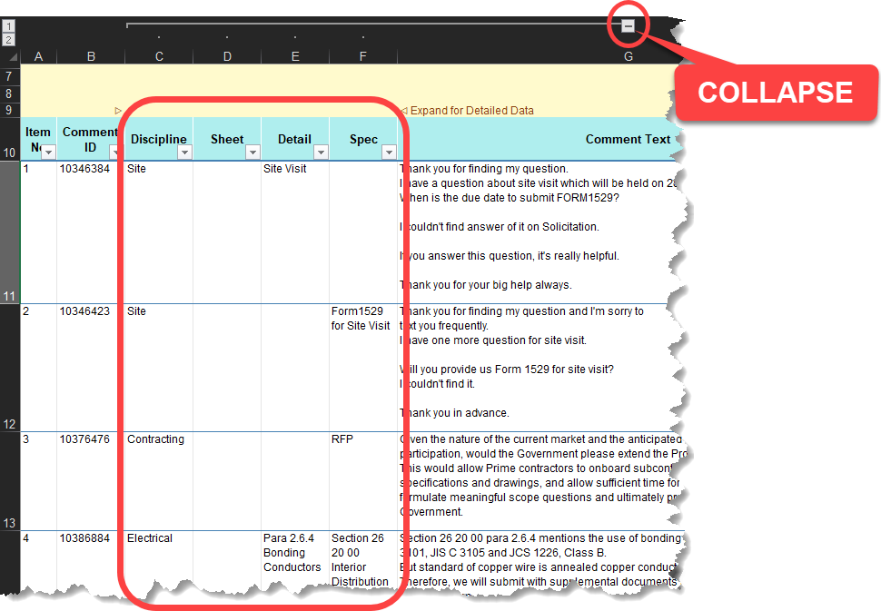

3. AE / Tech Lead Coordination Workflow

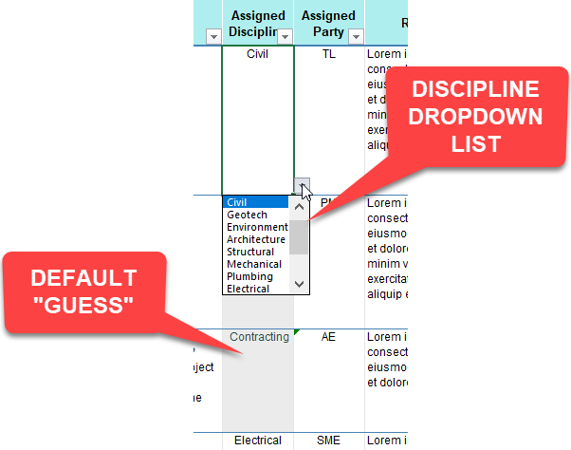
 | To the right of the RFIs is the AE / Tech Lead coordination area (Region 3). This area has a workflow from left to right.

 | 1. First custody of the RFI is assigned a discipline and a responsible party (e.g. AE, TL, PM, etc.)
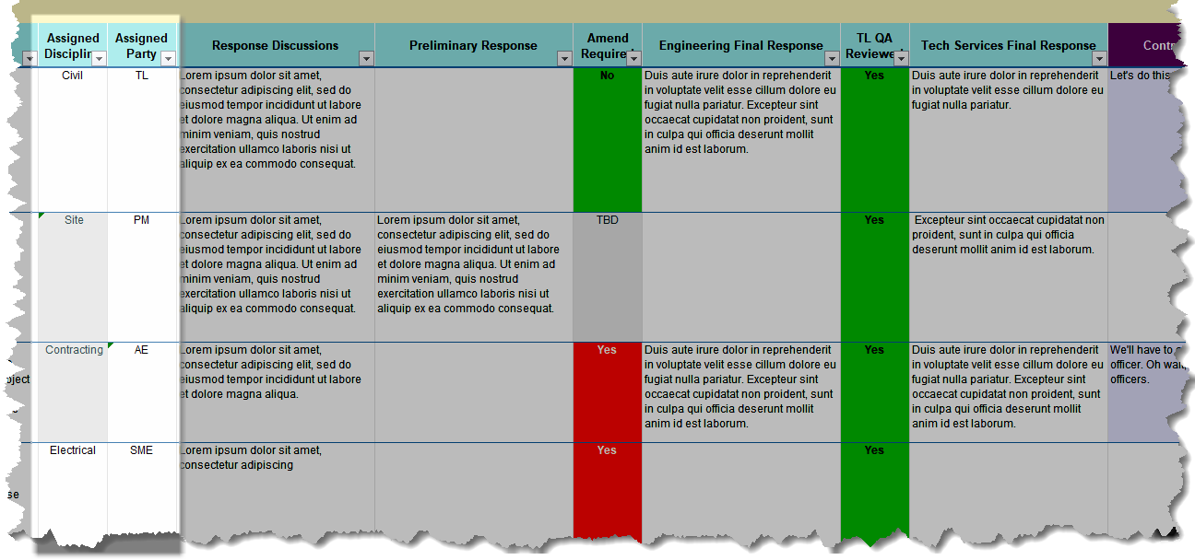

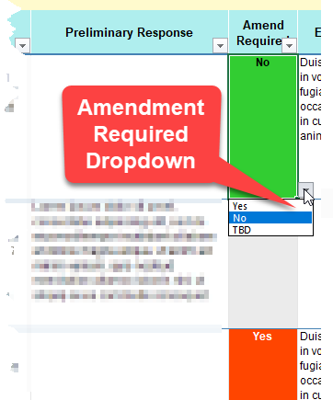
 | 2. Next, the responsible party usually provides an initial response. During the RFI LIR the response discussion and
 | and whether an amendment is required is recorded.
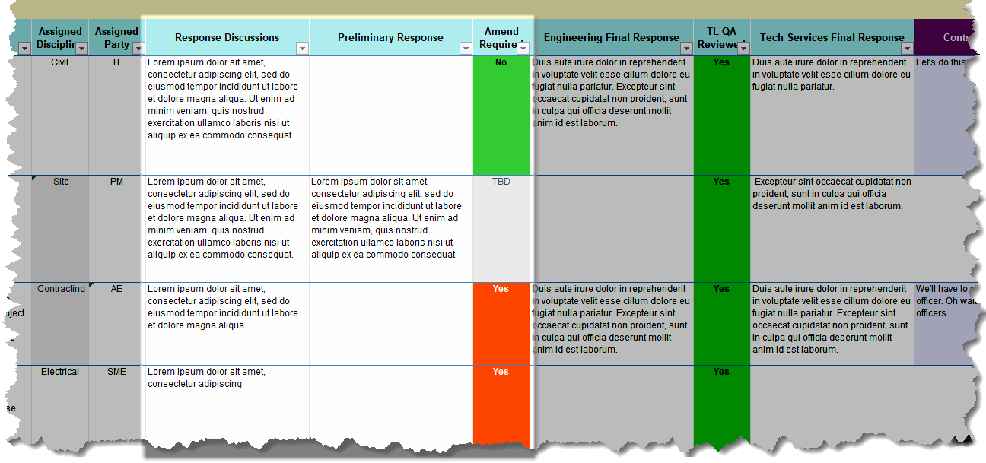

 | 3. Finally, the TL coordinates with Engineering and captures their input and checks off the TL QA review as well
 | as captures any comments from Tech Services.

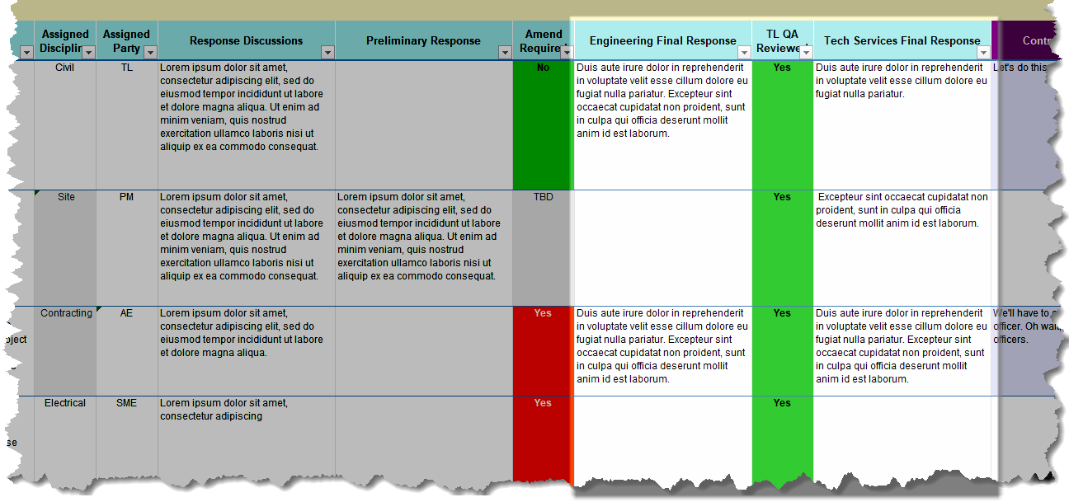

4. TS / CT and OC Review Region

 | The fourth region provides space for the conversational thread between Tech Services, Contracting, OC and Engineering
 | as the RFI reponses and amendments are finalized.
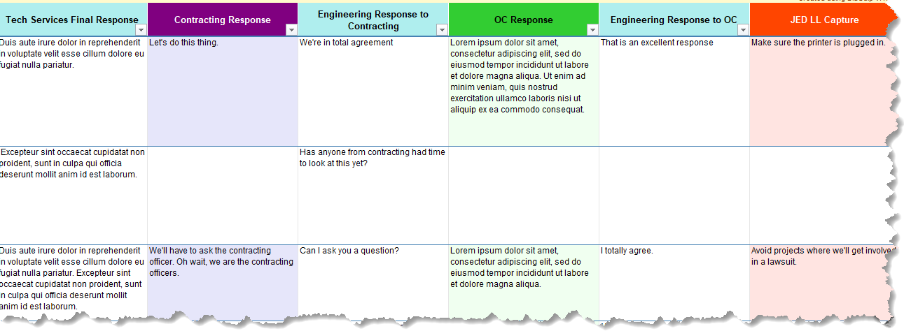

 | If a response is provided by Contracting, OC or a JED Lesson Learned is input, those cells automatically highlight.

 | If an RFI is assigned to contracting, the Contracting Reponse cell automatically highlights purple to indicate a
 | response is expected.

Standard Responses
Reference Docs for the A/E
The following attachments provide additional instructions for the A/E for
responding to RFIs and preparing ammended documents, etc.

Double click button to open the PDF

Bidder Inquiry Standard Responses
Copy and paste from the following list

Condition or Case | Standard Response Language

No changes General | Propose/Bid as advertised. Conduct work in accordance with drawings and specifications.

RFI Clarifications (No Amendment Req'd) | Refer to drawing(s) XX-XXX. Refer to specification section XX XX XX, paragraph X.X
 | (Briefly describe the clarification, e.g. "Dimension of door is shown on Detail 2.")

RFI Amendment Repsonse | See revised sheet XX-XXX in AM-000X. See revised specification section XX XX XX, paragraph X.X in AM-000X.
 | (Briefly describe the change, e.g. "Added dimension on Detail 1.")

Proposed Japanese alternative products | Refer to specification section 01 11 00.00 10, paragraph 1.5 for mandatory U.S. tested products. For other products, Japanese standards not referenced in the project specifications as being acceptable alternatives to US standards, may be submitted to the Contracting Officer for consideration as acceptable alternatives after contract award using the variation request process set forth in specification section 01 33 00, paragraph 1.9. Prior to the use of such proposed additional alternative Japanese standards, written approval by the Contracting Officer is required.

Government witness of tests | Government reserves the right to witness tests. Any/All associated costs related to Government personnel travel to witness testing will be solely at the Government's expense.

No changes: Means and Methods | Any means and methods to meet the requirement shall be determined by the Contractor. Propose/Bid as advertised.

No changes: Contractor to determine | The Contractor shall make their own determination on the manufacturer and model of products based upon the Contract documents. Propose/Bid as advertised.

Proposed Japanese alternative products | Products with Japanese standards not referenced in the specifications may be submitted for Government approval in accordance with specification section 01 33 00, paragraph 1.9. Prior to the use of such proposed alternative Japanese standards, written approval by the Contracting Officer is required.

Contractor proposed variations | Variations may be approved after construction contract award. Submit variations in accordance with specification section 01 33 00, paragraph 1.9. Propose/Bid as advertised.

Existing as-builts | "As-Built" drawings are provided for informational purposes only (FIO). These "As-Built" drawings are not part of the solicitation (and will not become part of the contract) and do not amend the solicitation (specifications, drawings, etc.). "As-Builts" drawings may not be complete or depict existing conditions.

Information from site survey: non-binding | Information provided during the site survey is unofficial and non-binding. For any conflicts that may arise, the terms and conditions of the solicitation will govern.

Differing site conditions | If actual conditions are different than what is shown in the contract, request for equitable adjustments may be submitted if the contractor meets the elements of an applicable equitable adjustment contract clause.

Differing site conditions | If conditions at the site differ materially from those indicated in the contract or there are discrepancies in figures, drawings, or specifications, contractor should follow procedures in FAR 52.236-2 Differing Site Conditions, FAR 52.236-22 Specifications and Drawings for Construction, DFARS 252.236-7001 Contract Drawings and Specifications and/or other terms and conditions as applicable.

AM Tracking
Amendment No. | Description
AM-001 | Bidder RFIs

1. Just type a number into the Amend. No. column.
2. You can delete this text balloon as desired.

RFI Schedule
Event | Start | End | Duration
RFI Open Period |  |  | 0
RFI LIR
Initial RFI Responses Due
Amendments Due
TL QA |  |  | 0
Tech Services QA |  |  | 0
CT Review |  |  | 0
OC Review |  |  | 0
Issue Amendments

1. None of the cells are merged, simply enter a date into the "B" column and it will automatically enter across the "B" and "C" columns.
2. You can delete this text balloon as desired.

